Dala Sales & Deliveries
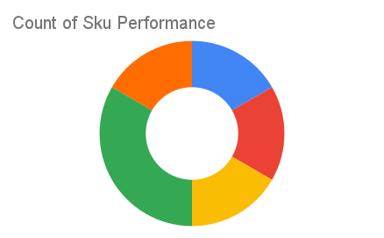
Total Invoices Delivered | 103.00 | Sku Performance | Units | Value
Unique Locations Supplied | 74.00 | 500g Grandios Brown Pap (20x) | 52.60 | 1,683,200.00
Total Value of orders | 5,623,950.00 | 500g Grandios White Pap (20x) | 56.25 | 1,800,000.00
 |  | 500g Grandios Yellow Pap (20x) | 52.75 | 1,688,000.00
 |  | 50g Grandios Brown Pap (120x) | 8.25 | 163,350.00
 |  | 50g Grandios Yellow Pap (120x) | 8.00 | 158,400.00
 |  | 50g Grandios Brown Pap (120x) | 8.25 | 163,350.00
 |  |  | 0.00 | 0.00
 |  |  | 0.00 | 0.00
 |  |  | 0.00 | 0.00
 |  |  | 0.00 | 0.00
 |  |  | 0.00 | 0.00
 |  |  | 0.00 | 0.00

